WF01 SM - Product Universe.
Workflow: Product Universe Creation and Maintenance

Analyst
System
Start
Manually updates ISIN information and attach Tear Sheets
Manually tag ISIN(s) to the Filtered Recommended Universe
Publish to Ideas Central Instrument Tab
Adds in Ideas Central Admin As input option for Offerings As input option for Content Management
Publish to Ideas Central Slide Manager As a filter for securities; As input option for generating slides
Import full universe from Data Providers
Creates / Updates Monitored Universe
Filter, Create and Update Recommended Universe to form Filtered Monitored Universe
Exports to Avaloq
Exports to FactSet
Company and Equity is linked with special functionality which can be edited manually.
!
Product Manager can toggle to see the full universe or covered universe
!
If Import/Export process is executed with failure, then the system send Email notification with the information. For import/export executed via SFTP manual job trigger is available; import/export executed via REST API also can be triggered manually but the process will be defined with API description.
!
Product Manager and Blackout updates after 7.00am are not exported to Avaloq systems until the next day.
!
Imports Data at 5.00am daily
Market Data : Factset
Investment Rationale : Factset
Product Risk Rating (updated 7.00pm daily) : PRRS
ESG Rating (updated 5.00om daily) : MSCI
Creation and Export to be completed by 7.00am daily
Compliance
Product Manager and Blackout updates are updated to Factset based on scheduled timings
8.00am, 10.00am. 12.00pm
!
Monitor Blackout Criteria remove invalidated securities

Functional Requirements

No, | Feature | Description | Confirmation | Release
1 | Covered Universe Flag | By default, covered universe logic derived equities are labeled with a covered tag. 1) Product Managers have the option to manually tag ISINs as part of the covered universe 2) Product Mangers have the option to filter between Covered and Full Universe | N | 1.0
2 | Document Upload | Attached Documents at ISIN Level 1) Equity Tear Sheets | N | 1.0
3 | Change History | Any manual changes on the ISIN Level needs to be captured and displayed in UI for manual changes history tracking 1) Option to lock the manual changes to provide overriding from daily refresh 2) Any manual changes to the data field will be logged and requires users to key in a reason | N | 1.0
3 | Peer Comparsion | Ability to compare Equities in Peers Widget 1) Attributes to compare: - Peers (Name), Peers (Market Cap, USD), Peers (Fwd P/E), Peers (EBITDA Margins), Peers (FCF Yield), Peers (Forward Dividend Yield), Peers (Current Price), Peers (Target Price), Upside/downside (%), 2) Peers are pulled from IRN | N | 1.0
4 | Import Failure Handling | 1) Inform RIDE and Product Manager if there is an import failure via email 2) if PRRS fails - set as last import value 3) if MSCI fails - set as last import value 4) if Blackout fails - set as last import value | N | 1.0 |  | RIDE - Build process for notifying RMs/ICs
5 | Last Update Date | During daily import, Product Manager can see the date in which the security is updated (i.e. imported into the platform) | N | 1.0
6 | Bulk Upload | Bulk upload documents as part of initial data migration 1) Attach Equity Tear Sheets to ISIN 2) Import research reports from Factset for all providers; on RMWP only show the report from the house view provider | N | 1.0 | Where do I find this in Data Fields -> Need to insert this at instrument level in Ideas Central
7 | Language Setting | Create English, Simplifed and Traditiona l Chinese template | N | 1.0
8 | House View Selection and Lock | Allow the selection and locking of House View Source | N | 1.0
9 | Insurance and bank data filtering | If GICS industry = Banks OR Isurance, then show widgets "Banks" and "Insurance", for all other sectors, do not show those 2 widgets |  | 1.0

Filtering Logic (as per discussion with Subhra on 18th Sept)

A. Jefferies Filtered House View (Jefferies Filtered) =
1. US & CAN
a. Country of Headquarters = US OR CAN AND
b. Equity.Market_cap >= 5000m AND
c. Equity.No. of Analyst Hold & Buy >=10 AND
d. Equity.No. of Analyst Hold & Buy / Equity.No. of Analyst >= 85%

2. JP & AUS
a. Country of Headquarters = JP OR AUS AND
b. Equity.Market_cap >= 1000m AND
c. Equity.No. of Analyst Hold & Buy >=5 AND
d. Equity.No. of Analyst Hold & Buy / Equity.No. of Analyst >= 85%

B. SocGen Filtered House View (SocGen Filtered) =
1. Country of Headquarters IN EU AND
2. Equity.Market_cap >= 5000m AND
3. Equity.No. of Analyst Hold & Buy >=5 AND
4. Equity.No. of Analyst Hold & Buy / Equity.No. of Analyst >= 85%

EU = (﻿﻿'SE','SS','NA','FP','BB','SM','GY','SW','GR','LI','SQ','LN','GA','IM','PL','EU')

C. DBSR Covered House View Universe (DBSR Covered)

1. All securities with a house view rating AND a research report from DBSR

Exceptions to lock in the research house - Manually overwritten Research provider
Drop HSBC, PRADA and SCB that is not from HK
HSBC (HK) – (DBSR)
Prada (HK) – (DBSR)
SCB (HK) - (DBSR)

Export AVQ
See email from Shannon on 08.09.2023

Factset export
Required attrributes to send to Factset twice a day (10am, 12pm (noon), 2pm, 4pm - after the Blackout list import);
- ISINs in covered universe
- PRR

PRRS import logic
PRRS is updated 7.00pm daily
If ISIN not found in PRRS import file, then PRRS = unrated
Import schedule: 5am; with overall import

MSCI import logic
MSCI is updated 5.00pm daily
If ISIN not found in MCSI import file, then MSCI rating = unrated
Import schedule: 5am, with overall import

Blackout list
Blackout list is updated adhoc daily, most updates performed in the morning and at noon
Import schedule: 10am, 12pm (noon), 2pm, 4pm

WF02 SM - Recommendation List
Workflow: Recommendation List Creation and Maintenance
Covered Universe created
Maker
System
Checker
Start
Creates Recommendation List
Saves Changes
Adds/Adapts Content Writeup,EQ pick(s), etc
Categorise Recommendation List Edits Meta data (i.e. Thematic, etc)
Changes status to “Published”
Publish to RMWP Slide Manager As a filter for securities As input option for generating slides
Changes status to “Authored” to trigger approval worker
Publish to RMWP Instrument As a filter
Adds in SM As input option for Content Mgmt
Monitor Blackout Criteria remove invalidated securities
Monitor Active Filtering Criteria remove invalidated securities

No, | Feature | Description | Confirmation | Release
1 | Active Monitoring | Flag instruments which securities are flagged for blackout or active filtering which will only be shown in Ideas CentralAdmin but not in Ideas Central | N
2 | Language Setting | Create English, Simplifed and Traditiona l Chinese template - done by default | N

Filtering Logic
no filtering logic

GUI SM - Recommendation List EQ
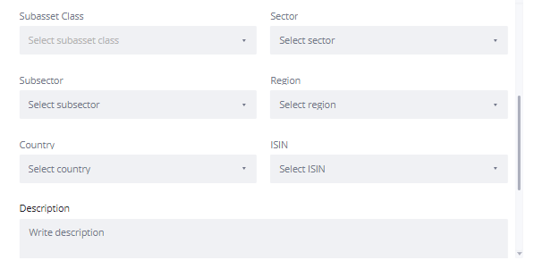
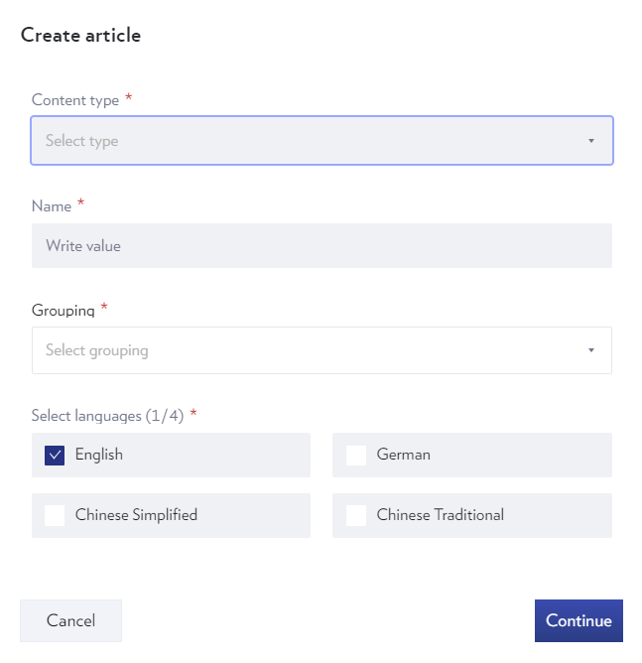

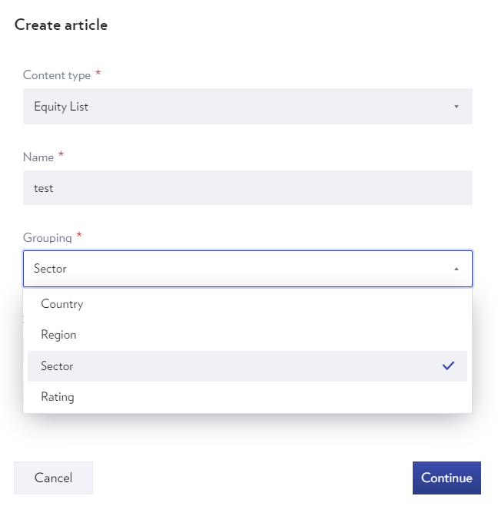

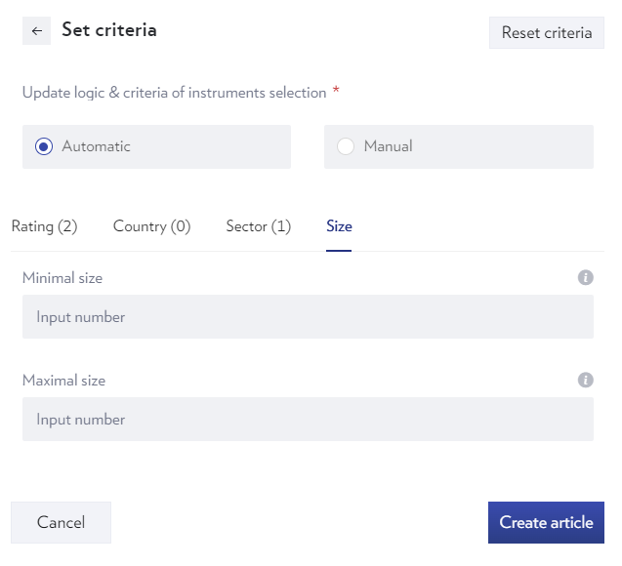
 | Grouping | Default ADV attributes plus below
 | Add Investment Theme
 | Add Sub-Themes
 | Region

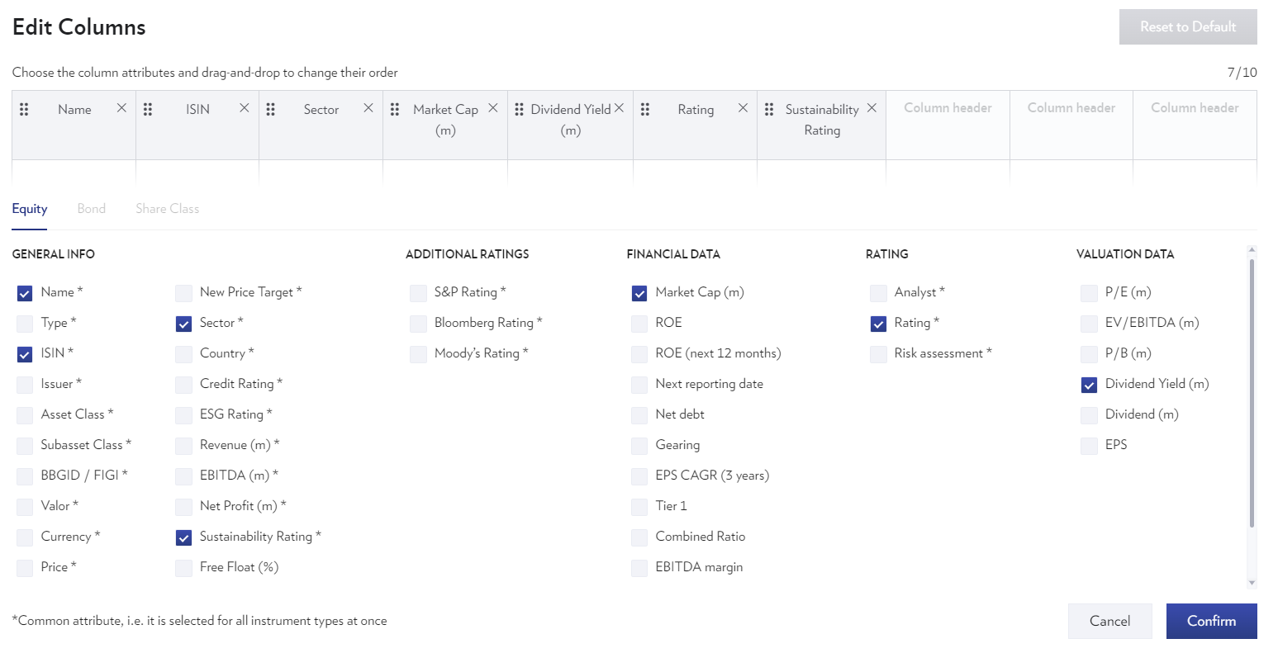

Default columns follow publication columns

Meta data fields

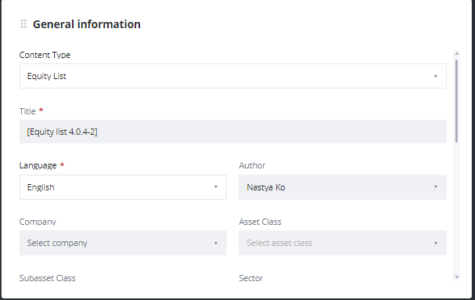
 |  |  | Meta Data Fields - As-Is PLUS
 |  |  | Sequence | Front End Label
 |  |  | 1 | Investment Theme | These need to be the first 2 tags
 |  |  | 2 | Sub-Theme
 |  |  |  | + remaining ones that are applicable to the project

WF01 RM - Instruments
Functional Requirements

No, | Feature | Description | Confirmation | Release
1 | Filtering of securities | Search field to cover the following attributes: Name, Ticker, ISIN |  | 1.0

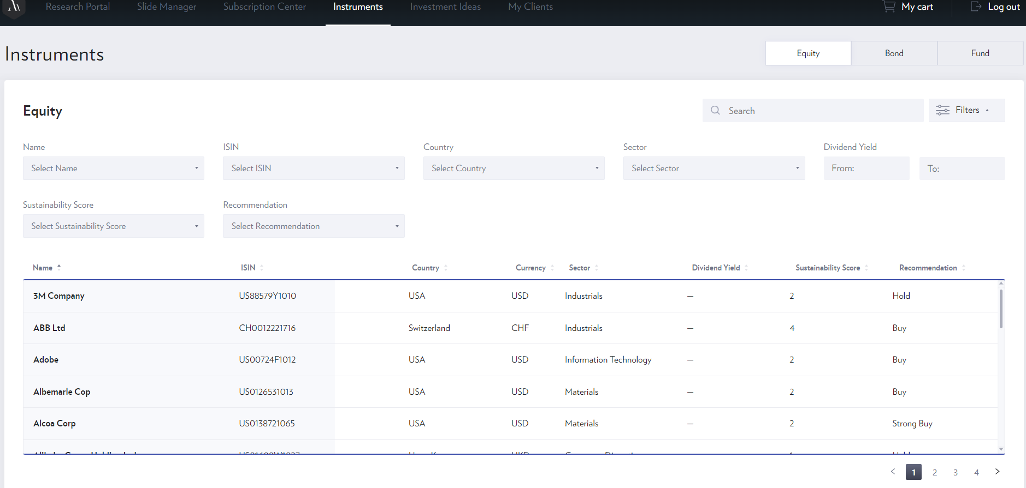

Filter Data Fields
Sequence | Front End Label NEW | Front End Label OLD | Technical Name | Type | Remarks
1 | Name | Company Name | PROPER_NAME | Multiple Selection
2 | ISIN | ISIN Number | P_SYMBOL("ISIN") | Multiple Selection
3 | Ticker | Ticker | FSYM_BLOOMBERG_TICKER("LISTING") | Multiple Selection
4 | Country | Country | P_DCOUNTRY | Multiple Selection
5 | Sector | GICS Sector | FG_GICS_SECTOR | Multiple Selection
6 | Industry Group | GICS Industry Groups | FG_GICS_INDGRP | Multiple Selection
7 | Industries | GICS Industries | FG_GICS_INDUSTRY | Multiple Selection
8 | Sub-Industry | GICS sub-Industry | FG_GICS_SUBIND | Range
9 | Forward Dividend Yield | Divi (%pa) | FE_VALUATION(DIV_YLD,MEAN,ANN_ROLL,+1,0,,,'') | Multiple Selection
10 | % Upside | % Upside | FE_VALUATION(UPSIDE,MEAN,,,NOW,,,'') | Range
11 | ESG Rating | ESG Rating | IVA_COMPANY_RATING | Multiple Selection
12 | Risk Rating | PRR | productRiskLevel | Multiple Selection
13 | Recommendation List | Recommendation List | #N/A | Multiple Selection
14 | Investment Theme | Investment Theme | #N/A | Multiple Selection
15 | Sub-Investment Theme | Sub-Theme | #N/A | Multiple Selection
16 | Market Cap (M) | Market Cap | FREF_MARKET_VALUE_COMPANY(0,,,USD,,0,,"LEGACY") | Range (FROM TO)
17 | House View Rating | Analyst Rating | #VALUE! | Multiple Selection
18 | Covered | Covered | 0 | Multiple Selection
19 | Blackout | Blackout | 0 | Multiple Selection
20 | ESG Adverse News | ESG Adverse News | OVERALL_SCORE | Multiple Selection

List Data Fields
Sequence | Front end label NEW | Front end label OLD | Technical Name | Remarks
1 | Issuer | Issuer | FI_NAME(ISSR)
2 | ISIN | ISIN Number | P_SYMBOL("ISIN")
3 | Ticker | Ticker | FSYM_BLOOMBERG_TICKER("LISTING")
4 | Sector | GICS Sector | FG_GICS_SECTOR
5 | Country | Country | P_DCOUNTRY
6 | Currency | Trading CCY | P_CURRENCY
7 | Market Cap (M) | Market Cap | FREF_MARKET_VALUE_COMPANY(0,,,USD,,0,,"LEGACY")
8 | Last Done Price | Last Done Price ($) | FG_PRICE(0)
9 | Target Price | Target price | FE_ESTIMATE(PRICE_TGT,MEAN,,,0,,,'') | House View Provider Target Price - based on logic
10 | % Upside | % Upside | FE_VALUATION(UPSIDE,MEAN,,,NOW,,,'')
11 | House View Rating | House View Rating | #N/A | House View Provider Rating - based on logic
12 | House View Provider | House View Provider | #N/A
13 | Forward Dividend Yield | Divi (%pa) | FE_VALUATION(DIV_YLD,MEAN,ANN_ROLL,+1,0,,,'')
14 | ESG Rating | ESG Rating | IVA_COMPANY_RATING
15 | Risk Rating | PRR | productRiskLevel
16 | Investment Theme | Investment Theme | #N/A
17 | Sub-Investment Theme | Sub-Investment Theme | #N/A
18 | Status | Status | 0
19 | Last Modified Date | Last Modified Date | #N/A
20 | ESG Adverse News | ESG Adverse News | OVERALL_SCORE

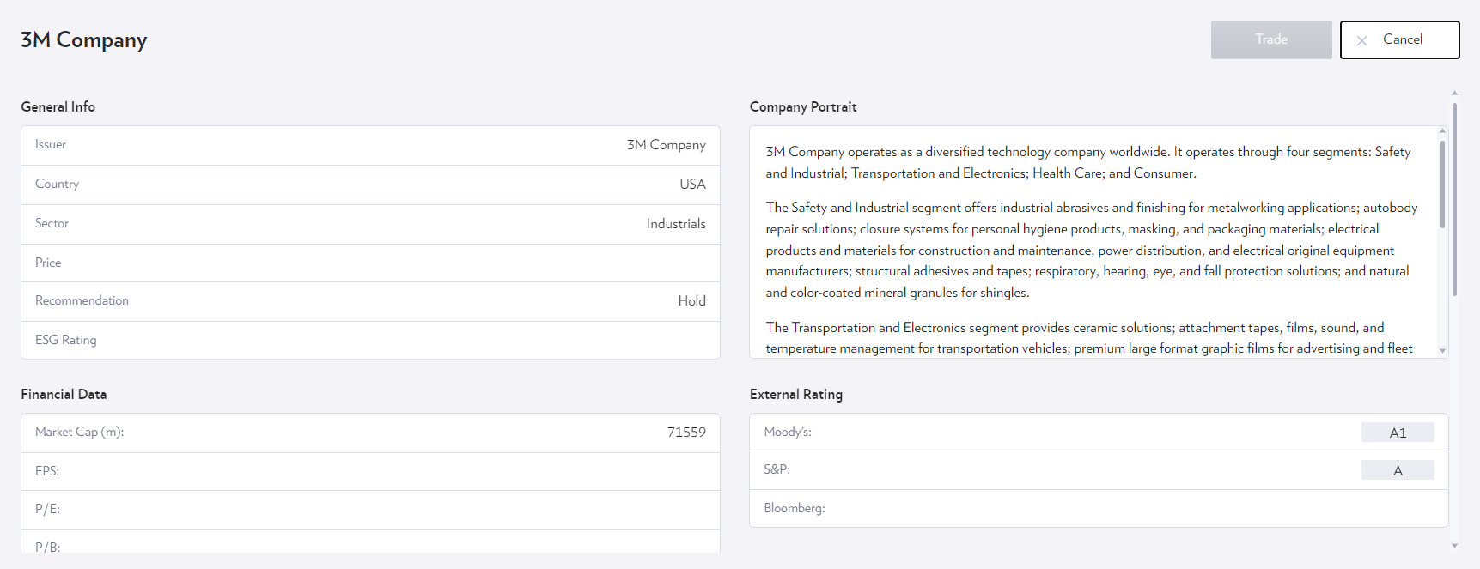
Sequence | Front End Label NEW | Front End Label OLD | Technical Name | Remarks
1 | Name | Company Name | PROPER_NAME
2 | Ticker | Ticker | FSYM_BLOOMBERG_TICKER("LISTING")
3 | Country | Country | P_DCOUNTRY
3 | House View Rating | House View Analyst Rating | #N/A
4 | Sector | GICS sector | FG_GICS_SECTOR
5 | Industries | GICS Industries | FG_GICS_INDUSTRY
6 | Currency | Trading ccy | P_CURRENCY
7 | Market Cap (M) | Market Cap (USDm) | FREF_MARKET_VALUE_COMPANY(0,,,USD,,0,,"LEGACY")
8 | Risk Rating | PRR | productRiskLevel
9 | ESG Rating | ESG Rating | IVA_COMPANY_RATING
20 | ESG Adverse News | ESG Adverse News | OVERALL_SCORE
20 | ESG Adverse News Description | ESG Adverse News Description | OVERALL_SUMMARY
10 | Last Done Price | Last Done Price ($) | P_PRICE(0,,,USD)
11 | House View Target Price | House View Target Price | #N/A
12 | % Upside | % Upside | FE_VALUATION(UPSIDE,MEAN,,,NOW,,,'') | need to take house view target price - current price
13 | 52 Wk High | 52 Wk High | P_PRICE_HIGH_PR(0,,,,,,"PRICE","INTRA","52W")
14 | 52 Wk Low | 52 Wk Low | P_PRICE_LOW_PR(0,,,,,,"PRICE","INTRA","52W")
15 | Price Change (YTD) | YTD % Change | P_PRICE_RETURNS(0,0CY,0)
16 | EPS | EPS | FF_EPS(ANN_R,0)
17 | P/E | Price to Earnings (P/E) | FF_PE(ANN_R,0)
17 | Business Segment Sales Breakdown | Business Segment | FE_SEGMENT_DATA(SALES,MEAN,BUS,+1,,Y,'')
18 | P/B | Price to Book (P/B) | FF_PBK(ANN_R,0)
18 | Geographical Sales Breakdown | Geographical segment | FE_SEGMENT_DATA(SALES,MEAN,GEO,+1,,Y,'')
19 | Forward Dividend Yield | Divi (%pa) | FE_VALUATION(DIV_YLD,MEAN,ANN_ROLL,+1,0,,,'')
19 | P/E chart | P/E chart | FF_PE(ANN_R,0,-10FY)
20 | Price chart | Price chart | P_PRICE(0,-10Y)
21 | House View Source | House View Source | #N/A
21 | Analyst Write Up | Investment thesis | FDS(Z2,"IRN_MR(""EQ_INV_CASE"",-1,""EQWU"",,,,0,,1,0,0)[0]")
22 | House View Date | House View Date | #N/A | Date of last rating change
23 | Research report |  | #N/A

WF03 SM - Pub - EQ Focus & Them
Workflow: Publication EQ Focus & Thematic Lists

Recommendation List(s) created
Maker
System
Checker
Start
Creates Publication for Focus / Thematic List
Saves Changes
Adds/Adapts Content Writeup, Images, Rec. list(s), EQ pick(s), etc
Categorise Publication Edits Publication Meta data
Approved
Sends Email notification to Checker
Changes status to “Published”
Yes
No
Sends Email notification to Reviewer
Sends Approval Email (one template) with PDF to:
1. pbinvestappr@dbs.com
2. Maker (who pushed PI into Authored)
Publish to RWMP Portal PDF / HTML
Changes status to “Authored” to trigger approval
Monitor Blackout Criteria remove invalidated securities
Monitor Active Filtering Criteria* remove invalidated securities
Forwards received emails to RMs

! Automatic removals / additions do not trigger the maker/checker email !

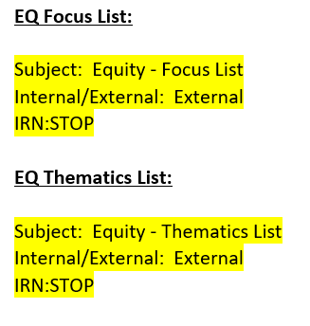
Functional Requirements

No, | Feature | Description | Confirmation | Release
1 | Generating Email Templates | Automatically generate email to include the attached Factset subjects based on publication type 1. EQ Focus List 2. EQ Thematics List | N
2 | Language Setting | Create English, Simplifed and Traditiona l Chinese template - done by default | N
3 | Blackout list | Auto removal and reinstatment of equity depending on blackout status

Filtering Logic
no filtering logic

GUI Publications
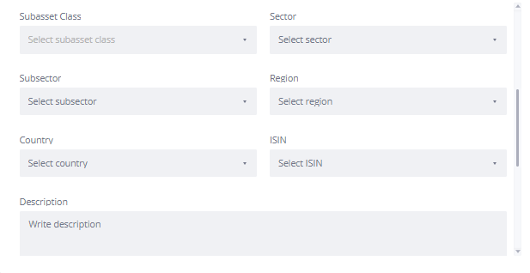
 |  |  |  |  |  | Functional requirements
 |  |  |  |  |  | Search field to cover the following attributes: |  | Name, Ticker, ISIN

 |  |  |  |  |  | Filter Data Fields
 |  |  |  |  |  | Sequence | Front End Label NEW | Type | Remarks
 |  |  |  |  |  | 1 | Type | Multiple Selection
 |  |  |  |  |  | 2 | Language | Multiple Selection
 |  |  |  |  |  | 3 | Author | Multiple Selection
 |  |  |  |  |  | 4 | Investment Theme | Multiple Selection
 |  |  |  |  |  | 5 | Sub-Theme | Multiple Selection
 |  |  |  |  |  | 6 | Company | Multiple Selection
 |  |  |  |  |  | 7 | Sector | Multiple Selection
 |  |  |  |  |  | 8 | Country | Multiple Selection
 |  |  |  |  |  | 9 | ISIN | Multiple Selection
 |  |  |  |  |  | 10 | Status | Multiple Selection

 |  |  |  |  |  | List Data Fields
 |  |  |  |  |  | Sequence | Front End Label NEW | Remarks
 |  |  |  |  |  | 1 | Title
 |  |  |  |  |  | 2 | Language
 |  |  |  |  |  | 3 | Publication type/Content Type
 |  |  |  |  |  | 4 | Authors
 |  |  |  |  |  | 5 | Last Modified date
 |  |  |  |  |  | 6 | Publication date

Refer to final designs for exact data fields and design to be applied.

For Focus List |  |  |  |  | Functional requirements
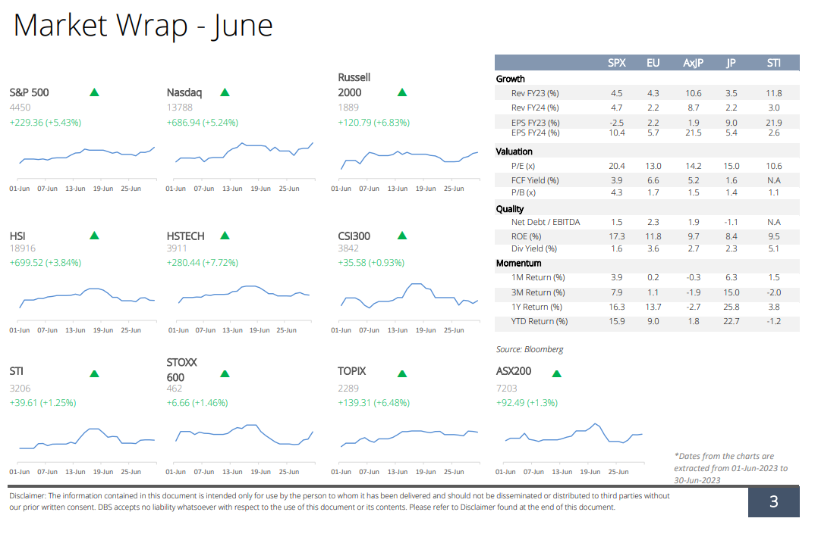
 |  |  |  |  |  | No, | Feature | Description | Confirmation
 |  |  |  |  |  | 1 | Market Wrap Indexes | First Row: S&P500, Nasdaq, Dow Jones Index, Russell 2000 Second Row: HSI, HSTECH, CSI300, STI Third Row: MSCI World, STOXX 600, TOPIX, ASX200 | N
 |  |  |  |  |  | 2 | Recommendation - Recent changes limit | 1. System lists last 6 recent changes - Only manual changes to the recommendation list are captured in the recent recommendation changes (no automatically dropped out companies, e.g. when they are blacked out) | N
 |  |  |  |  |  | 3 | Recommendation - Yearly Reset | Every 1.1.XX, the additions date needs to be reset to 1.1.XX; e.g. the actual addition was 2.12.2022, on 1.1.2023, the additions date is overwritten to 1.1.2023. | N
 |  |  |  |  |  | 4 | Publication - Single Editor | All countries / themes need to be maintained in 1 editor. DRAWBACK - Single Recommendation List | N
 |  |  |  |  |  | 5 | Recommendation - Change Reason | Each country / theme needs to include a text box to capture addition / removal comments. | N
 |  |  |  |  |  | 6 | Document Refresh | Publications are static at publishing | N

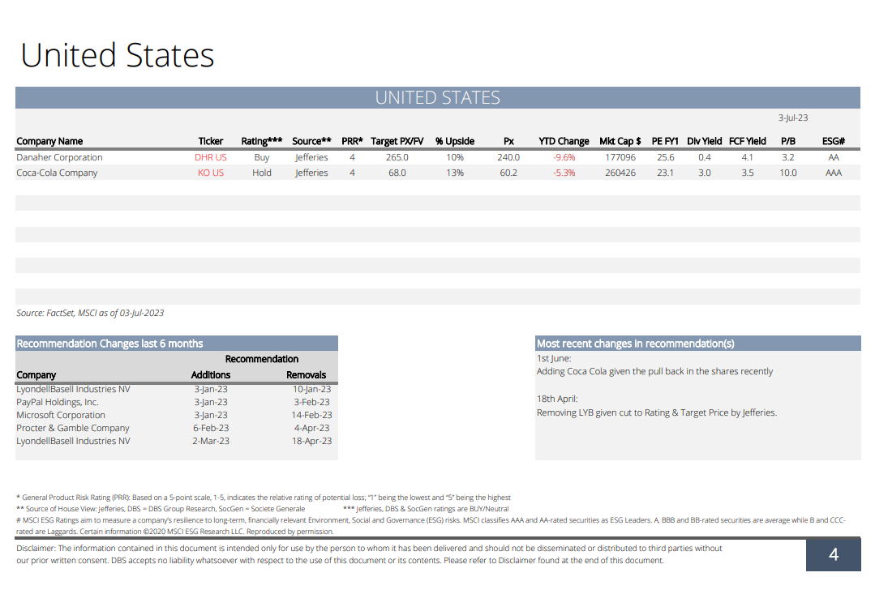
for both Thematic and Focus List
 |  |  |  |  | Data Fields
 |  |  |  |  | Sequence | Front End Label | Technical Name | Remarks
 |  |  |  |  | 1 | Company Name | PROPER_NAME
 |  |  |  |  | 2 | Country | P_DCOUNTRY
 |  |  |  |  | 3 | Sector | FG_GICS_SECTOR | Not used
 |  |  |  |  | 2 | Ticker | FSYM_BLOOMBERG_TICKER("LISTING")
 |  |  |  |  | 3 | House View Rating | #N/A | Confirm that this is the header in the publication
 |  |  |  |  | 4 | House View Provider | #N/A | Confirm that this is the header in the publication
 |  |  |  |  | 5 | PRR | productRiskLevel
 |  |  |  |  | 6 | House View Target Price | #N/A | Confirm that this is the header in the publication
 |  |  |  |  | 7 | % Upside | FE_VALUATION(UPSIDE,MEAN,,,NOW,,,'') | need to take house view target price - current price
 |  |  |  |  | 8 | YTD % Change | P_PRICE_RETURNS(0,0CY,0)
 |  |  |  |  | 9 | Price to Earnings (P/E) | FF_PE(ANN_R,0)
 |  |  |  |  | 10 | Divi (%pa) | FE_VALUATION(DIV_YLD,MEAN,ANN_ROLL,+1,0,,,'')
 |  |  |  |  | 11 | FCF Yield | FG_FCF_YIELD_LTM(0)
 |  |  |  |  | 12 | Price to Book (P/B) | FF_PBK(ANN_R,0)
 |  |  |  |  | 13 | ESG Rating | IVA_COMPANY_RATING
 |  |  |  |  | 14 | Company Portrait | FREF_ENTITY_BUS_DESC(EXT)

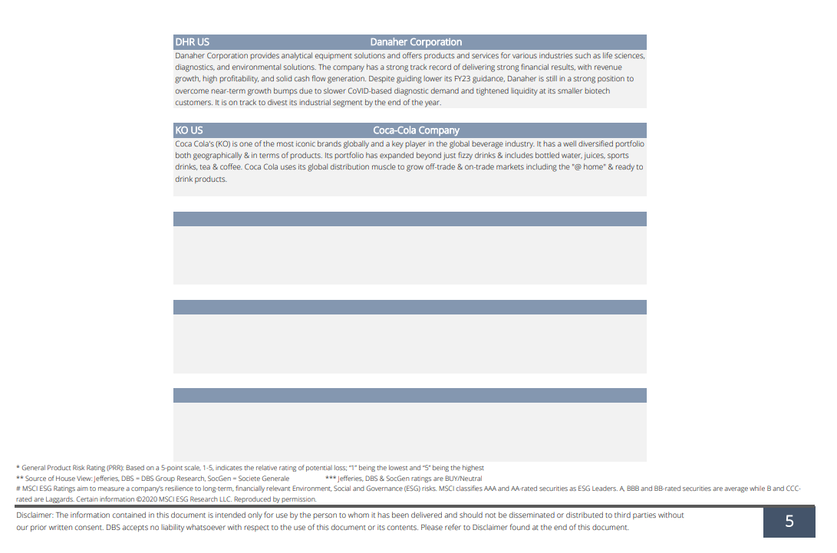

Meta Data fields
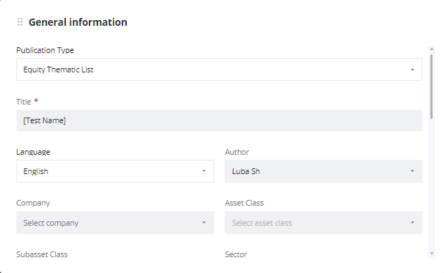

 | Meta Data Fields - As-Is PLUS
 | Sequence | Front End Label | Technical Name | Remarks
 | 1 | Investment Theme | #VALUE!
 | 2 | Sub-Theme | #VALUE!
 |  | + remaining ones that are applicable to the project

WF06 SM - Securities Monitoring
Workflow: Securities Monitoring Workflow

System
Monitor Blackout Criteria
Blackout Securities
Breach Criteria
Yes
No
Monitor Active Filtering Criteria
Companies with Sell Calls
Companies with no upside, OR
Companies with ESG severly rated news
Breach Criteria
Remove Securities from
Recommendation List
Yes
No

Functional Requirements
no additional functional requirements

Filtering Logic
1. Blackout Filtering Logic
Remove blackout securities that are identified under Research and Client Solicitation https://go.mydbs.net/documents/43284126/47202892/Blackout.xls.xlsx/17804389-87e1-9928-91d1-766c096ce943?t=1591348983514

2. Active Filtering Monitoring for Filtering Logic
1. Remove Companies with Sell Calls - [Analyst Recommendation] is rated as Sell ,
2. Companies with no upside [Last Day Close Price] is equal or above the [Target Price], or
3. Companies with ESG Adverse Related News from MSCI

WF01 RM - Slide Manager
 | Functional Requirements

 | No, | Feature | Description | Confirmation | Release
 | 1 | Filtering of securities | Search field to cover the following attributes: Name, Ticker, ISIN |  | 1.0

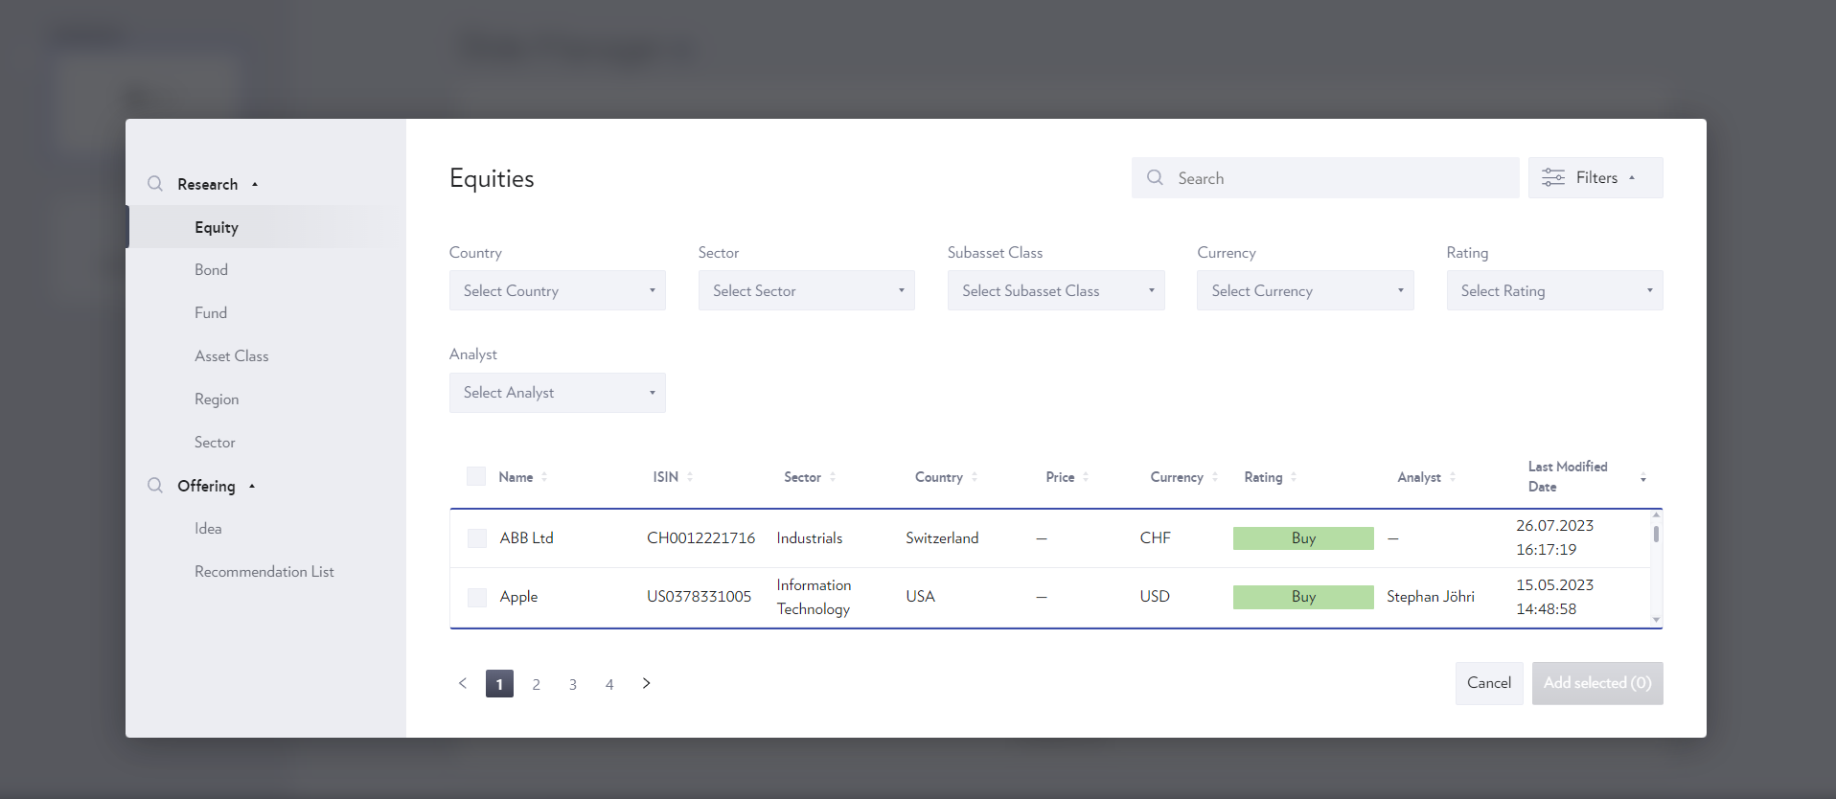
 | Filter Data Fields
 | Sequence | Front End Label NEW | Front End Label OLD | Technical Name | Type | Remarks
 | 1 | Name | Company Name | PROPER_NAME | Multiple Selection
 | 2 | ISIN | ISIN Number | P_SYMBOL("ISIN") | Multiple Selection
 | 3 | Ticker | Ticker | FSYM_BLOOMBERG_TICKER("LISTING") | Multiple Selection
 | 4 | Country | Country | P_DCOUNTRY | Multiple Selection
 | 5 | Sector | GICS Sector | FG_GICS_SECTOR | Multiple Selection
 | 6 | Industry Group | GICS Industry Groups | FG_GICS_INDGRP | Multiple Selection
 | 7 | Industries | GICS Industries | FG_GICS_INDUSTRY | Multiple Selection
 | 8 | Sub-Industry | GICS sub-Industry | FG_GICS_SUBIND | Range
 | 9 | Forward Dividend Yield | Divi (%pa) | FE_VALUATION(DIV_YLD,MEAN,ANN_ROLL,+1,0,,,'') | Multiple Selection
 | 10 | % Upside | % Upside | FE_VALUATION(UPSIDE,MEAN,,,NOW,,,'') | Range
 | 11 | ESG Rating | ESG Rating | IVA_COMPANY_RATING | Multiple Selection
 | 12 | Risk Rating | PRR | productRiskLevel | Multiple Selection
 | 13 | Recommendation List | Recommendation List | #N/A | Multiple Selection
 | 14 | Investment Theme | Investment Theme | #N/A | Multiple Selection
 | 15 | Sub-Investment Theme | Sub-Theme | #N/A | Multiple Selection
 | 16 | Market Cap (M) | Market Cap | FREF_MARKET_VALUE_COMPANY(0,,,USD,,0,,"LEGACY") | Range (FROM TO)
 | 17 | House View Rating | Analyst Rating | #N/A | Multiple Selection
 | 18 | Covered | Covered | 0 | Multiple Selection
 | 19 | Blackout | Blackout | 0 | Multiple Selection

 | List Data Fields
 | Sequence | Front end label NEW | Front end label OLD | Technical Name | Remarks
 | 1 | Issuer | Issuer | FI_NAME(ISSR)
 | 2 | ISIN | ISIN Number | P_SYMBOL("ISIN")
 | 3 | Ticker | Ticker | FSYM_BLOOMBERG_TICKER("LISTING")
 | 4 | Sector | GICS Sector | FG_GICS_SECTOR
 | 5 | Country | Country | P_DCOUNTRY
 | 6 | Currency | Trading CCY | P_CURRENCY
 | 7 | Market Cap (M) | Market Cap | #N/A
 | 8 | Last Done Price | Last Done Price ($) | P_PRICE(0,,,USD)
 | 9 | Target Price | Target price | #N/A | House View Provider Target Price - based on logic
 | 10 | % Upside | % Upside | FE_VALUATION(UPSIDE,MEAN,,,NOW,,,'')
 | 11 | House View Rating | House View Rating | #N/A | House View Provider Rating - based on logic
 | 12 | House View Provider | House View Provider | #N/A | House View Provider Rating - based on logic
 | 13 | Forward Dividend Yield | Divi (%pa) | FE_VALUATION(DIV_YLD,MEAN,ANN_ROLL,+1,0,,,'')
 | 14 | ESG Rating | ESG Rating | IVA_COMPANY_RATING
 | 15 | Risk Rating | PRR | productRiskLevel
 | 16 | Investment Theme | Investment Theme | #N/A
 | 17 | Sub-Investment Theme | Sub-Investment Theme | #N/A
 | 18 | Status | Status | 0
 | 19 | Last Modified Date | Last Modified Date | #N/A

 | Functional requirements
 | Search field to cover the following attributes: |  | Name, Ticker, ISIN

 | Filter Data Fields
 | Sequence | Front End Label NEW | Type | Remarks
 | 1 | Type | Multiple Selection
 | 2 | Language | Multiple Selection
 | 3 | Author | Multiple Selection
 | 4 | Investment Theme | Multiple Selection
 | 5 | Sub-Theme | Multiple Selection
 | 6 | Company | Multiple Selection
 | 7 | Sector | Multiple Selection
 | 8 | Country | Multiple Selection
 | 9 | ISIN | Multiple Selection
 | 10 | Status | Multiple Selection

 | List Data Fields
 | Sequence | Front End Label NEW | Remarks
 | 1 | Title
 | 2 | Language
 | 3 | Publication type/Content Type
 | 4 | Authors
 | 5 | Last Modified date
 | 6 | Publication date

Refer to final designs for exact data fields and design to be applied.

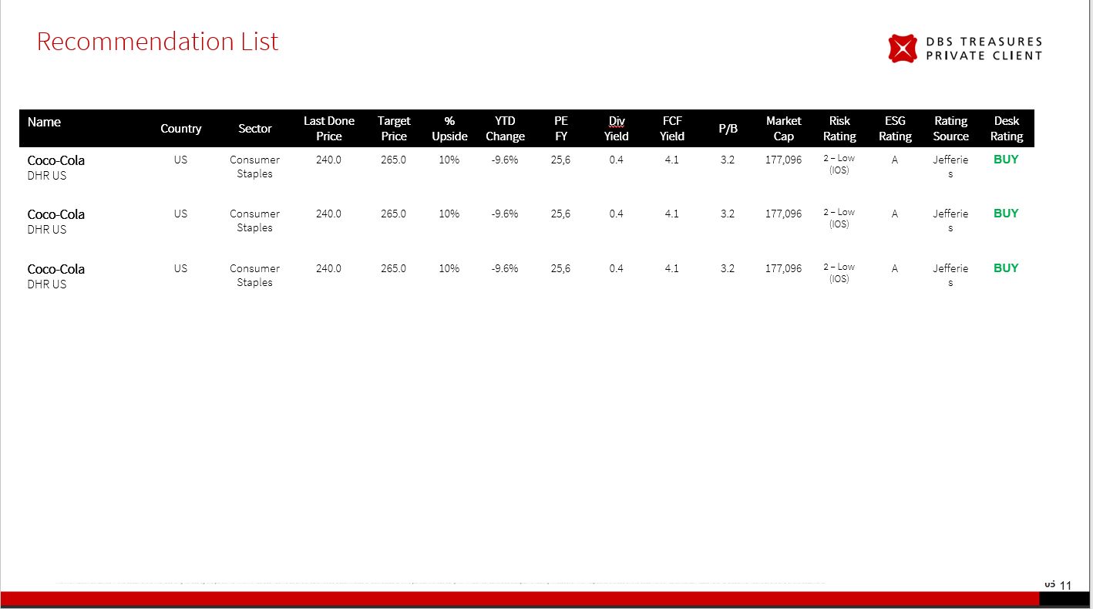
 | Data Fields
 | Sequence | Front End Label | Technical Name | Remarks
 | 1 | Company Name | #REF!
 | 2 | Ticker | #REF!
 | 3 | Country | #REF!
 | 4 | GICS sector | #REF!
 | 5 | Last Done Price ($) | #REF!
 | 6 | House View Target Price | #REF!
 | 7 | % Upside | #REF! | need to take house view target price - current price
 | 8 | YTD % Change | #REF!
 | 9 | Price to Earnings (P/E) | #REF!
 | 10 | Divi (%pa) | #REF!
 | 11 | FCF Yield | #REF!
 | 12 | Price to Book (P/B) | #REF!
 | 13 | Market Cap (USDm) | #REF!
 | 14 | PRR | #REF!
 | 15 | ESG Rating | #REF!
 | 16 | House View Source | #REF!
 | 17 | House View Analyst Rating | #REF!

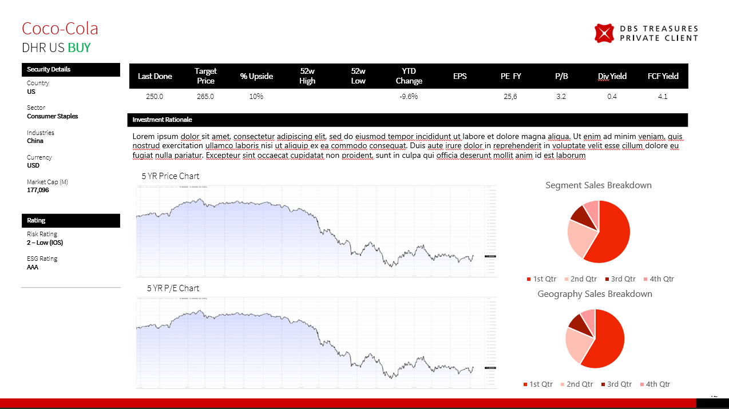
 | Data Fields
 | Sequence | Front End Label | Technical Name | Remarks | Column1 | Column2
 | 1 | Company Name | #REF!
 | 2 | Ticker | #REF!
 | 3 | Country | #REF!
 | 3 | House View Analyst Rating | #REF! |  | to be added to rating box
 | 4 | GICS sector | #REF!
 | 5 | GICS Industries | #REF!
 | 6 | Trading ccy | #REF!
 | 7 | Market Cap (USDm) | #REF!
 | 8 | PRR | #REF!
 | 9 | ESG Rating | #REF!
 | 10 | Last Done Price ($) | #REF!
 | 11 | House View Target Price | #REF!
 | 12 | % Upside | #REF! | need to take house view target price - current price
 | 13 | 52 Wk High | #REF!
 | 14 | 52 Wk Low | #REF!
 | 15 | YTD % Change | #REF!
 | 16 | EPS | #REF!
 | 17 | Price to Earnings (P/E) | #REF!
 | 17 | Business Segment | #REF!
 | 18 | Price to Book (P/B) | #REF!
 | 18 | Geographical segment | #REF!
 | 19 | Divi (%pa) | #REF!
 | 19 | P/E chart | #REF!
 | 20 | FCF Yield | #REF!
 | 20 | Price chart | #REF!
 | 21 | House View Source | #REF!
 | 21 | Investment thesis | #REF!
 | 22 | House View Date | #REF! |  |  | this is the rating of when the rating of the equity was last changed.

 | Order | Line Charts (Loop)
 | 1 | DBS Red: #CC0000
 | 2 | Grey: #A7A9AC
 | 3 | Orange: #F79433
 | 4 | Black: #000000

 |  | Bar Charts (Loop)
 | 1 | DBS Red: #CC0000
 | 2 | Grey: #A7A9AC
 | 3 | Black: #000000

 |  | Pie Charts (Loop)
 | 1 | DBS Red 100%: #CC0000
 | 2 | DBS Red 90%: #D11A1A
 | 3 | DBS Red 80%: #D63333
 | 4 | DBS Red 70%: #DB4D4D
 | 5 | DBS Red 60%: #E06666
 | 6 | DBS Red 50%: #E68080
 | 7 | DBS Red 40%: #EB9999
 | 8 | DBS Red 30%: #F0B2B2
 | 9 | DBS Red 20%: #F5CCCC
 | 10 | Grey: #A7A9AC
 | 11 | Black: #000000

Nomenclature description
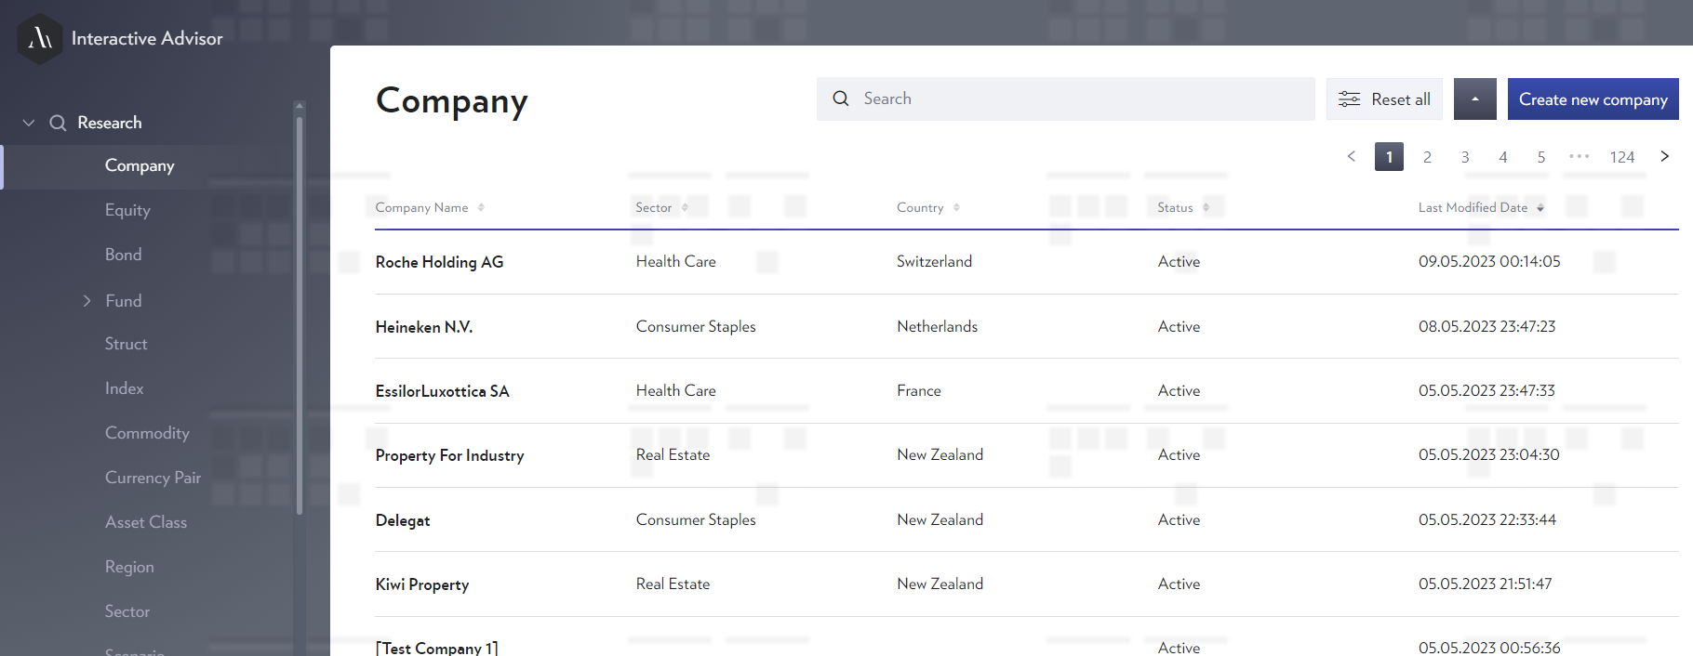

OBJECT

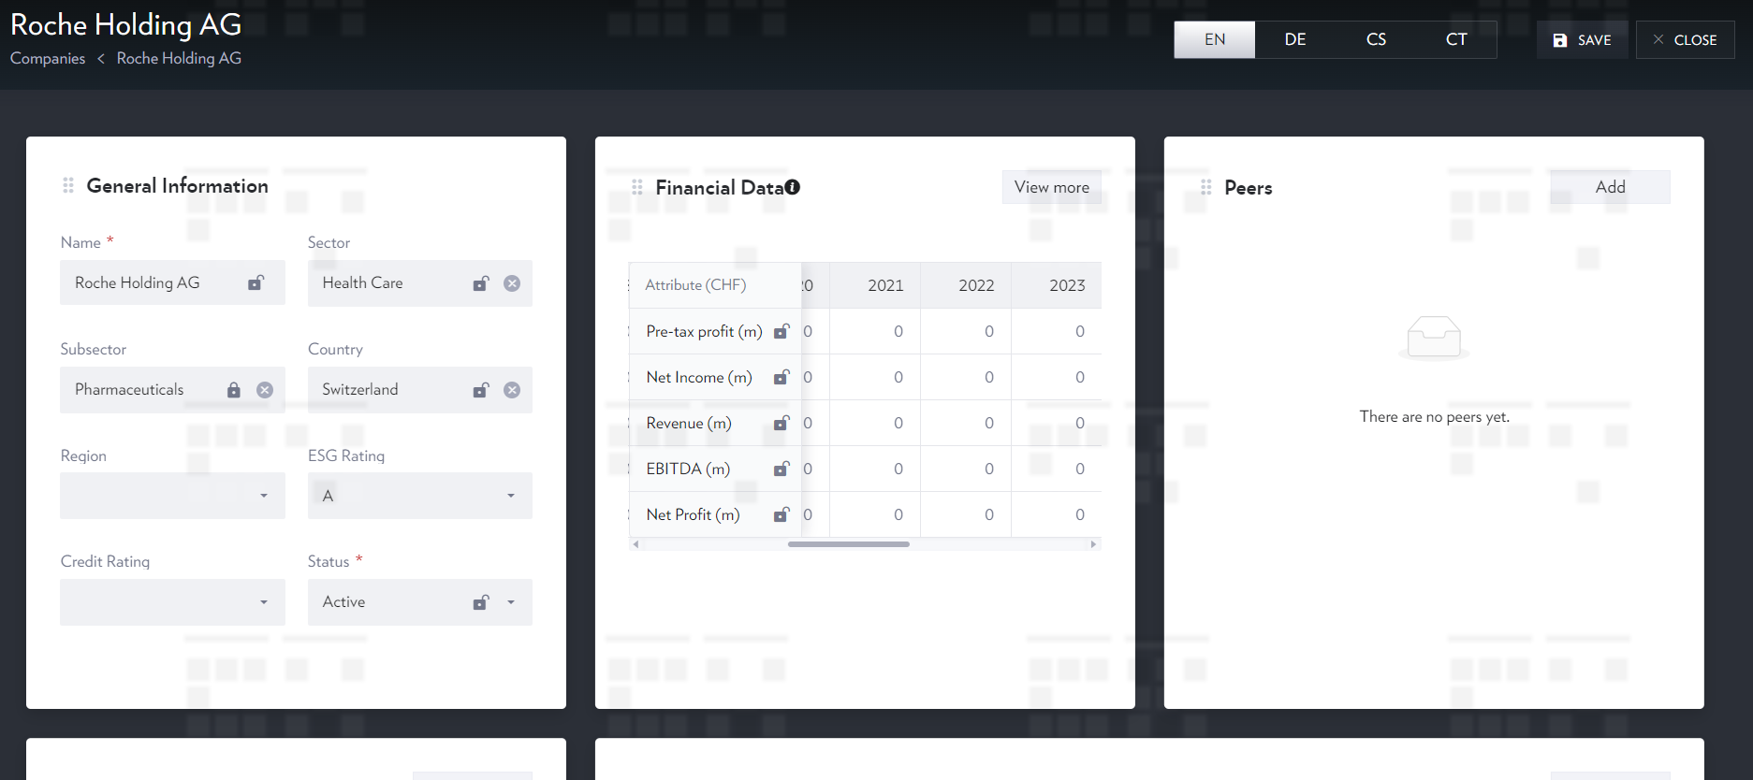

WIDGET

Data Point
Data Point

Trend

Snapshot

